General Instructions
 | RD-925 for the 2023 Reporting Year
 | GENERAL INSTRUCTIONS

If you are using the ONLINE FILLABLE RD-925 Form, please adhere to the following instructions:
* | Prior to using the form: Open the file and save it to your computer. Filling in the form using your web browser may result in calculation errors.

* | Minimum Pretreatment Requirement (MPR) Charges: If you are a Significant Industrial User (SIU), check “Yes” on the RD-925 Form and indicate the number of outlets in your current Discharge Authorization. Your MPR charges will calculate incorrectly if each step is not completed.

Required Documentation for ALL USERS:
¨ | The Original Signed and Notarized User Charge Annual Certified Statement (RD-925).
¨ | Significant Industrial Users only: Completed MPR Worksheet.
¨ | Copies of all 2023 water bills. If the reporting facility does not receive water bills, monthly meter readings are required.
¨ | Copies of all 2022 Second Installment Property Tax Bills payable in 2023, if applicable. Property tax information can be obtained from the Cook County Assessor's website: www.cookcountyassessor.com.
¨ | Copies of all 2023 RD-920 coversheets or the District's User Charge Sampling Report requested by the User.
¨ | Completed 925-V Payment Voucher, if payment is submitted.

Required Supporting Documentation If you have an approved methodology:
¨ | Copies of weekly meter readings for all privately owned water meters and/or direct discharge flowmeters.
¨ | Copies of the most recent meter calibration records for all privately owned water meters.
¨ | Copies of monthly meter calibration and annual certification records for all direct discharge flowmeters.

RD-925 Calculation Backup:
¨ | All Completed Worksheets or Calculations Used in Preparing the Form.
* | If you use the RD-925 Worksheets to prepare your form, enclose these with your filing.
* | If you do calculations without the RD-925 Worksheets, enclose your calculations. All meter data must be labeled with either the meter code from your approved methodology or the serial number.

Total Annual Volume:
Regarding Total Annual Volume reported on Line 6 of the RD-925 and the Volumes reported on the Annual Wastewater Loading Worksheet:

* | All volumes must be prorated to a full year (365 days for 2023).
$$Meter Annual Volume= \frac{\left(Last Reading −First Reading\right)∗Days Active∗Multiplier}{(Last Date −First Date)}$$

* | Water meter readings and bills used in the calculation of 2023 Annual Volume should not originate from earlier than December 1 of the preceeding year and should be no later than January 31 of the subsequent year.

Mail the ORIGINAL RD-925 and supporting documentation to:

 | Metropolitan Water Reclamation District of Greater Chicago
 | PO Box 10687, Chicago, IL 60610-0687

Make PAYMENTS online at https://mwrd.org/form/user-charge-payment.

 | You can still mail payments via USPS with the 925-V payment voucher to PO Box 95089, Chicago, IL 60694-5089

The RD-925 and supporting documentation must be postmarked by Tuesday, February 20, 2024.

If you have any questions or require assistance in filling out the RD-925 Form please call (312) 751-3000 or email mwrd-ucts@mwrd.org.

Volume Worksheet
Annual Wastewater Volume Worksheet |  |  |  |  |  |  |  |  |  |  |  |  |  |  |  |  |  | For the 2023 Reporting Year |  |  |  |  |  | ANNUAL WASTEWATER VOLUME WORKSHEET INSTRUCTIONS

Flow Methodology(ies) by Outlet |  |  |  |  |  |  |  |  |  |  |  |  |  |  |  |  |  |  |  |  |  |  |  |  | The purpose of the Annual Wastewater Volume (Volume) Worksheet is to provide facilities with a clear method of demonstrating how their annual flow is calculated. This includes demonstrating the equation(s), water meters, and final calculations to total flow, either by summing all water meters or applying a flow equation already approved by MWRD. What follows are instructions for each step in this process.

 |  |  |  |  | Meter Code | Meter Code |  | Meter Code |  |  | Meter Code |  | Meter Code | Meter Code |  | Meter Code |  |  | Meter Code |  | Meter Code | Meter Code
Outlet No. |  |  |  | =
Outlet No. |  |  |  | = |  |  |  |  |  |  |  |  |  |  |  |  |  |  |  |  |  |  |  |  | Instructions for Calculation of Annual Volume by Meter
Outlet No. |  |  |  | = |  |  |  |  |  |  |  |  |  |  |  |  |  |  |  |  |  |  |  |  | The meters described in the Flow Methodology(ies) section of the worksheet are now detailed and the annual volume for each calculated in this section. To successfully complete this section, the following steps must be followed.
Outlet No. |  |  |  | =
Outlet No. |  |  |  | = |  |  |  |  |  |  |  |  |  |  |  |  |  |  |  |  |  |  |  |  | * | For each meter: a Meter Code (from an MWRD approval letter for the facility's flow methodology), an Account No. (from a city water bill), and/or the Serial No. (from the meter itself) must be supplied. If one of these is not listed, MWRD will not be able to identify the meter and the volume will not calculate in the worksheet if you are using Microsoft Excel.
Outlet No. |  |  |  | =
Outlet No. |  |  |  | =
Outlet No. |  |  |  | = |  |  |  |  |  |  |  |  |  |  |  |  |  |  |  |  |  |  |  |  | * | Supply the number of Days Active the meter was measuring water during the year. For meters active the entire year, this should be 365. If the meter was inactive for any period, give the exact number of days. Unless this is a seasonal meter, the volume being supplied by this water line must be quantified for the entire year. This is not by default the number of days between the first reading and the last reading.

Calculation of Annual Volume by Meter
 |  |  |  |  |  |  |  |  |  |  |  |  |  |  |  |  |  |  |  |  |  |  |  |  | * | All water meters measure volume with a specific Multiplier and a specific Unit, either gallons (gal) or cubic feet (cu. ft.). The multiplier is given as how many zeroes (0) are to be added to the meter reading. Provide the multiplier (1, 10, 100, etc.) and the unit for this meter. If the volume is measured in gallons, a unit conversion factor of 1 should be applied to the Meter Annual Volume. If measured in cubic feet, a unit conversion factor of 7.48 should be applied to the Meter Annual Volume.

 | Meter Code | Serial No. or Account No. | Days Active |  | Multiplier |  | Unit |  | First Reading |  |  |  | First Read Date |  | Last Reading |  |  | Last Read Date |  |  | Meter Annual Volume
 |  |  |  |  |  |  |  |  |  |  |  |  |  |  |  |  |  |  |  | =
 |  |  |  |  |  |  |  |  |  |  |  |  |  |  |  |  |  |  |  | = |  |  |  |  | * | Using either water bills supplied by the city or a weekly water meter reading logsheet maintained by the facility, list the First Reading, the First Date for that reading, the Last Reading, and the Last Date for that meter reading. In the RD-925 backup, copies of all water bills and logsheets must be included that show this information.
 |  |  |  |  |  |  |  |  |  |  |  |  |  |  |  |  |  |  |  | =
 |  |  |  |  |  |  |  |  |  |  |  |  |  |  |  |  |  |  |  | =
 |  |  |  |  |  |  |  |  |  |  |  |  |  |  |  |  |  |  |  | = |  |  |  |  | * | The First and Last Readings should not be earlier than December 1, 2022, or later than January 31, 2024, and should be as close as possible to 365 days. If all water bills for the facility are not available, the closest period of time to this date range should be used.
 |  |  |  |  |  |  |  |  |  |  |  |  |  |  |  |  |  |  |  | =
 |  |  |  |  |  |  |  |  |  |  |  |  |  |  |  |  |  |  |  | = |  |  |  |  | * | The equation to calculate the Meter Annual Volume is:
$$Meter Annual Volume= \frac{\left(Last Reading −First Reading\right)∗Days Active∗Multiplier}{(Last Date −First Date)}∗Unit Factor (1 for gallons, 7.48 for cu.ft)$$
 |  |  |  |  |  |  |  |  |  |  |  |  |  |  |  |  |  |  |  | =
 |  |  |  |  |  |  |  |  |  |  |  |  |  |  |  |  |  |  |  | =
 |  |  |  |  |  |  |  |  |  |  |  |  |  |  |  |  |  |  |  | = |  |  |  |  | Instructions for Calculation of Annual Volume
 |  |  |  |  |  |  |  |  |  |  |  |  |  |  |  |  |  |  |  | = |  |  |  |  | * | Apply the Meter Annual Volume(s) to the equation(s) listed in the Flow Methodology(ies) section.
 |  |  |  |  |  |  |  |  |  |  |  |  |  |  |  |  |  |  |  | = |  |  |  |  | * | Match each Flow Methodology to its corresponding Outlet No. and Annual Volume.
 |  |  |  |  |  |  |  |  |  |  |  |  |  |  |  |  |  |  |  | = |  |  |  |  | * | If the Flow Methodology references multiple outlets or total fow for the entire facility, record this on its corresponding 'Outlet No.' line.
 |  |  |  |  |  |  |  |  |  |  |  |  |  |  |  |  |  |  |  | = |  |  |  |  | * | The Total Volume is reported on Line 6 of the RD-925 Form and each Outlet Annual Volume is used on the Annual Loadings Calculation Worksheet.
 |  |  |  |  |  |  |  |  |  |  |  |  |  |  |  |  |  |  |  | =
 |  |  |  |  |  |  |  |  |  |  |  |  |  |  |  |  |  |  |  | = |  |  |  |  | Example
 |  |  |  |  |  |  |  |  |  |  |  |  |  |  |  |  |  |  |  | = |  |  |  |  |  |  |  |  |  |  |  |  | Meter Code |  |  | Meter Code |  |  | Meter Code |  |  | Meter Code
 |  |  |  |  |  |  |  |  |  |  |  |  |  |  |  |  |  |  |  | =
 |  |  |  |  |  |  |  |  |  |  |  |  |  |  |  |  |  |  |  | = |  |  |  |  | Outlet No. |  |  |  | Total Flow |  |  | = | I1 |  | + | I2 |  | + | I3 |  | - | Q1
 |  |  |  |  |  |  |  |  |  |  |  |  |  |  |  |  |  |  |  | =
 |  |  |  |  |  |  |  |  |  |  |  |  |  |  |  |  |  |  |  |  |  |  |  |  | Meter Code |  | Serial No. or Account No. |  |  |  | Days Active |  | Multiplier |  |  |  | Unit |  |  | First Reading |  |  | First Date | Last Reading | Last Date |  | Meter Annual Volume

Calculation of Total Annual Volume by Outlet |  |  |  |  |  |  |  |  |  |  |  |  |  |  |  |  |  |  |  |  |  |  |  |  | I1 |  | 501251331 |  |  |  | 365 |  |  | 100 |  |  | cu.ft. |  |  | 7,153 |  |  | 2022-12-22 | 33,217 | 2023-12-11 | = | 20,101,676

 |  |  |  |  | Annual Volume |  |  |  |  |  |  |  |  |  |  |  |  | Annual Volume |  |  |  |  |  |  | I2 |  | 501251332 |  |  |  | 348 |  |  | 100 |  |  | cu.ft. |  |  | 96,315 |  |  | 2023-01-22 | 281,638 | 2023-12-15 | = | 147,523,909
 | Outlet No. |  |  | = |  |  |  |  |  | gal |  | Outlet No. |  |  |  |  | = |  |  |  |  |  | gal |  | I2 |  | 501251332 |  |  |  | 17 |  |  | 1,000 |  |  | gal |  |  | 0 |  |  | 2023-12-15 | 7 | 2024-01-22 | = | 3,132
 | Outlet No. |  |  | = |  |  |  |  |  | gal |  | Outlet No. |  |  |  |  | = |  |  |  |  |  | gal |  | I3 |  | 501251333 |  |  |  | 365 |  |  | 10 |  |  | gal |  |  | 7 |  |  | 2022-12-29 | 10 | 2023-12-29 | = | 30
 | Outlet No. |  |  | = |  |  |  |  |  | gal |  | Outlet No. |  |  |  |  | = |  |  |  |  |  | gal |  | Q1 |  | A7048 |  |  |  | 362 |  |  | 10 |  |  | gal |  |  | 1,423 |  |  | 2022-12-29 | 5,638 | 2023-12-26 | = | 42,150
 | Outlet No. |  |  | = |  |  |  |  |  | gal

 | Outlet No. |  |  | = |  |  |  |  |  | gal |  |  |  | Total Volume |  |  | = |  |  |  |  |  | gal |  |  |  |  |  |  |  |  |  |  |  | Annual Volume
 |  |  |  |  |  |  |  |  |  |  |  |  |  |  |  |  |  |  |  |  |  |  |  |  |  |  | Outlet No. |  |  | Total Flow |  |  |  | = | 167,586,597 |  |  |  |  |  | gal

Comments |  |  |  |  |  |  |  |  |  |  |  |  |  |  |  |  |  |  |  |  |  |  |  |  |  |  |  | Total Volume |  |  |  |  |  | = | 167,586,597 |  |  |  |  |  | gal

Tax Credit Worksheet
Ad Valorem Tax Credit Worksheet |  |  |  |  |  | For the 2023 Reporting Year | AD VALOREM TAX CREDIT WORKSHEET INSTRUCTIONS

Second Installment Property Taxes Paid to Metro Water Reclamation District: |  |  |  | $ | 0.00 |  | All Users are permitted to claim a Property Tax Credit from their parcels in Cook County that are part of the reporting facility. This Worksheet provides the User with a simple reporting method for the calculation of the Property Tax Credit.
Total Ad Valorem Tax Credit: |  |  | Multiply the line above by 0.401 | $ | 0.00

2022 Second Installment Property Taxes Paid to Metro Water Reclamation District
 | Column 1 Parcel ID # (PIN) | Column 2 Physical Address of PIN |  | Column 3 Taxes Paid to MWRD
 |  |  |  |  |  |  | Second Installment Property Taxes Paid to Metro Water Reclamation District
1. |  |  |  | $ |  |  | * | Total the Taxes Paid in Column 3.
2. |  |  |  | $
3. |  |  |  | $ |  |  | Total Ad Valorem Tax Credit
4. |  |  |  | $ |  |  | * | Total Ad Valorem Tax Credit = Total Second Installment Property Taxes Paid to MWRD x 0.401.
5. |  |  |  | $
6. |  |  |  | $ |  |  | Column 1: Parcel ID # (PIN)
7. |  |  |  | $ |  |  | * | Found on your Property Tax Bill. This number is 14 digits long and appears in the following format on the bill:
8. |  |  |  | $
9. |  |  |  | $ |  |  |  | 12-34-567-890-1234
10. |  |  |  | $
11. |  |  |  | $ |  |  | Column 2: Physical Address of PIN
12. |  |  |  | $ |  |  | * | This is the Property Location associated with the PIN listed on this line. In order to claim credit, the physical location must be part of the contiguous property being assessed User Charge. This means the facility must either be physically connected to the main facility or is not interrupted by any major divisions (such as streets or other parcels not associated with the facility).
13. |  |  |  | $
14. |  |  |  | $
15. |  |  |  | $
16. |  |  |  | $ |  |  | * | If a PIN is claimed for Ad Valorem Tax Credit, any wastewater discharged from that location must also be quantified and all water bills associated with it must also be submitted.
17. |  |  |  | $
18. |  |  |  | $
19. |  |  |  | $ |  |  | Column 3: Taxes Paid to MWRD
20. |  |  |  | $ |  |  | * | Find the line on your tax bill that states “Metro Water Reclamation District” under Miscellaneous Taxes and record 2022 tax.
21. |  |  |  | $ |  |  | * | If that PIN is within a Tax Increment Financing (TIF) District, you no longer have to verify the Frozen Equalized Assessed Value. What is printed on the bill is now accurate and no further action is required.
22. |  |  |  | $
23. |  |  |  | $
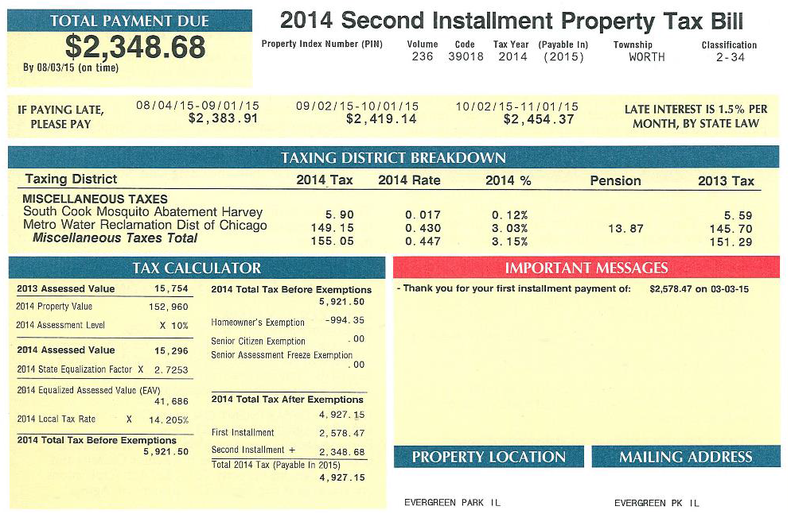
24. |  |  |  | $ |  |  |  |  |  | Column 1 Parcel ID # (PIN)
25. |  |  |  | $
12-34-567-890-1234
26. |  |  |  | $
27. |  |  |  | $
28. |  |  |  | $ |  |  |  |  |  | Column 3 Taxes Paid to MWRD
29. |  |  |  | $
30. |  |  |  | $

Comments

 |  |  |  |  |  |  |  |  | Column 2 Physical Address of PIN

